Sheet1
Iphone X
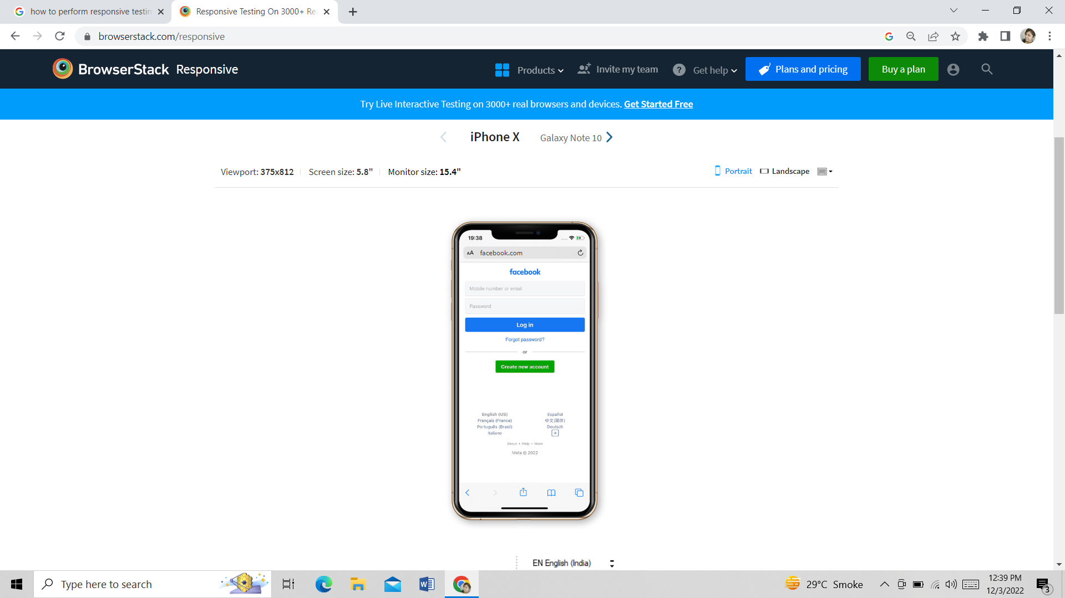

 |  |  | It Looks proper on Iphone X

 | Galaxy Note 10

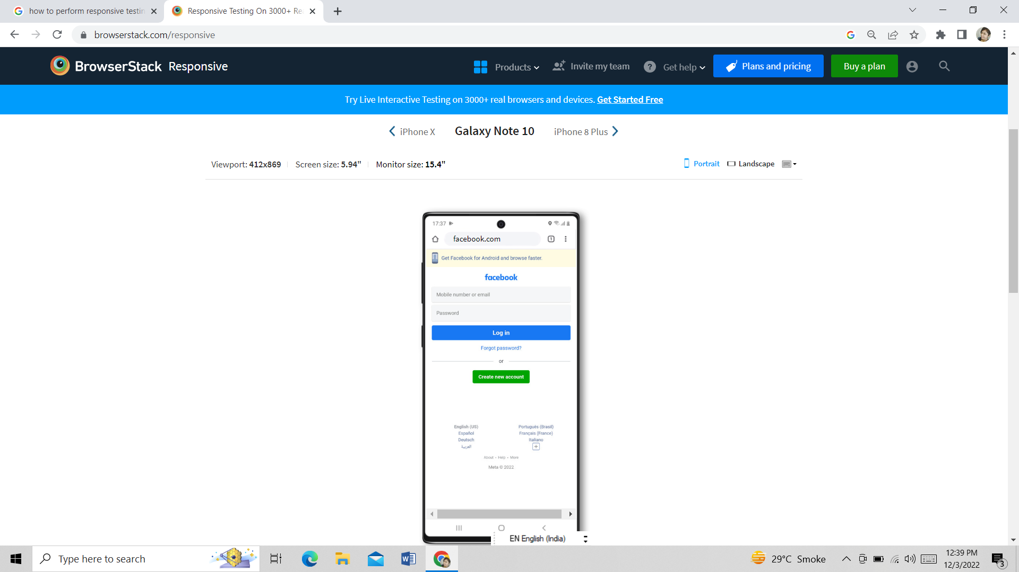

 |  |  | It Look proper on Galaxy Note 10

 |  | Iphone 8 Plus

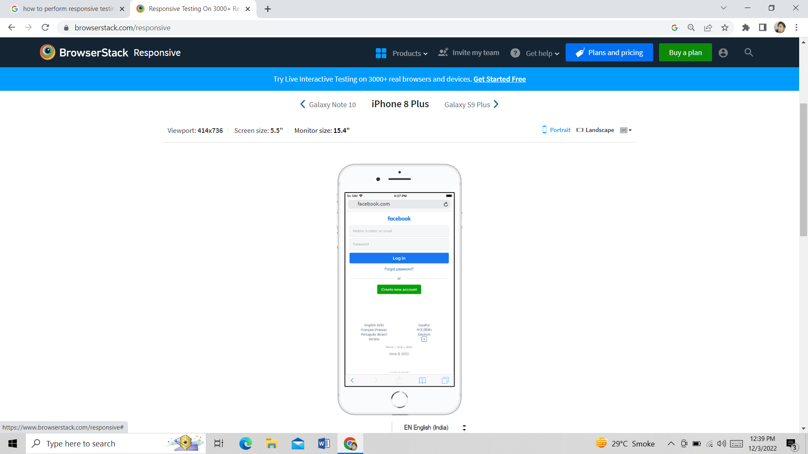

 |  |  | It looks proper on iphone 8 plus

 | Iphone SE

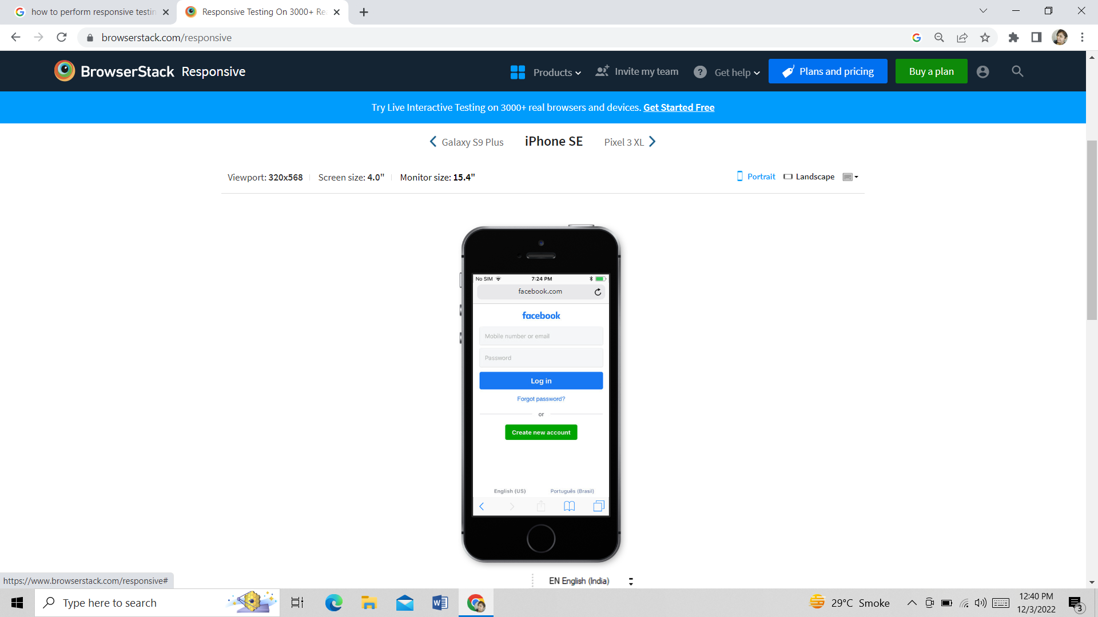

 |  |  | It looks proper in Iphone SE

 | Pixel 3 XL

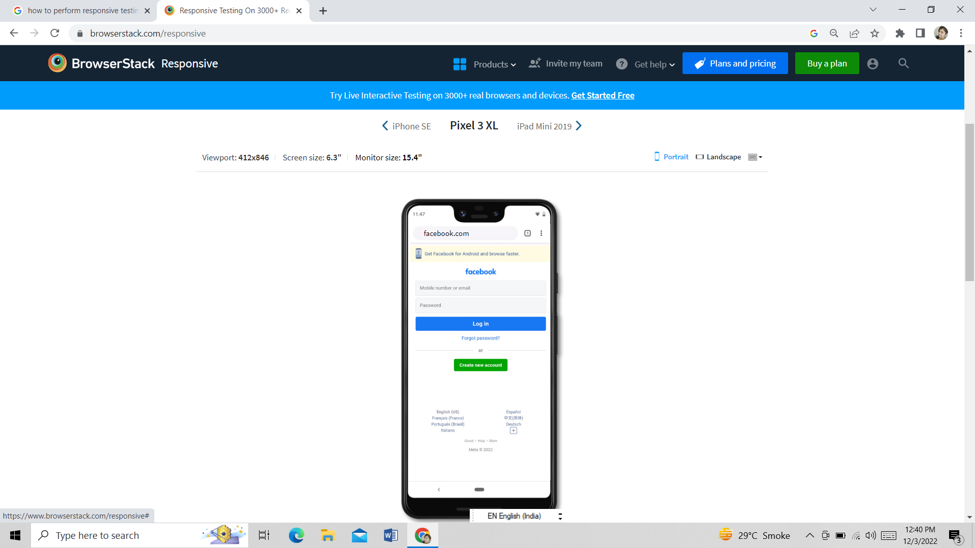

 |  |  | It looks proper in pixel 3 XL

 | Ipad Mini 2019

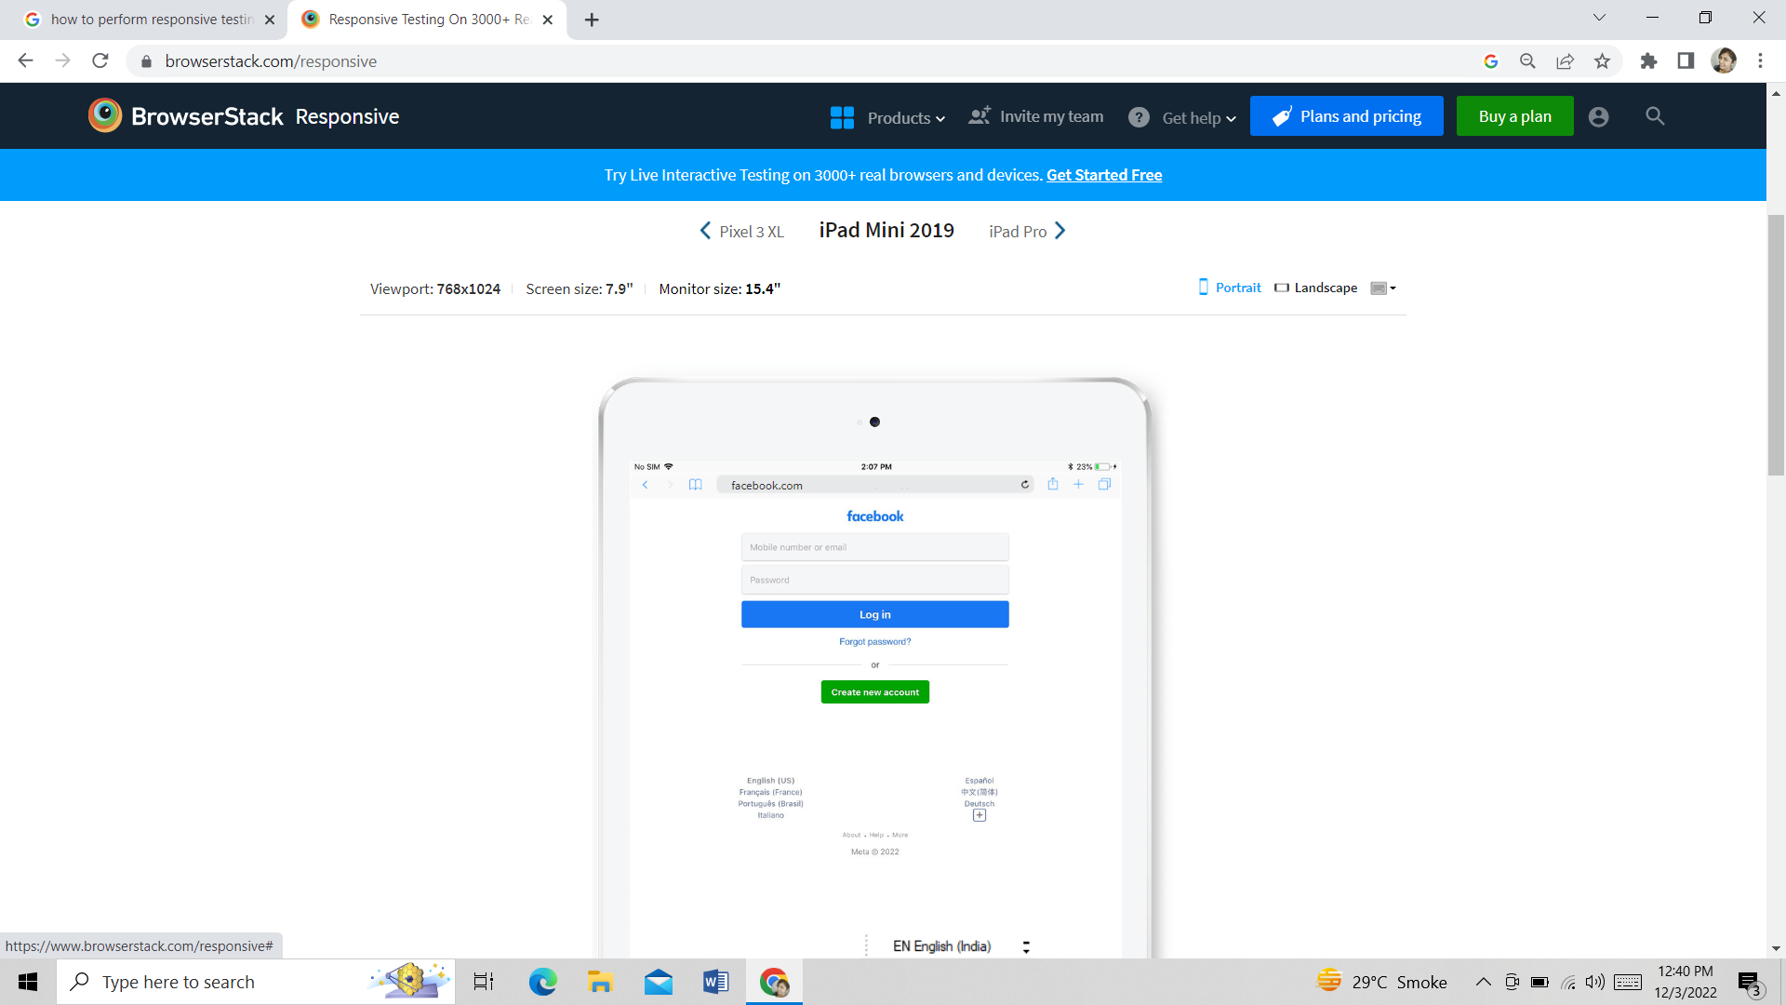

 |  |  | It looks proper in iPad Mini 2019

 | Ipad Pro

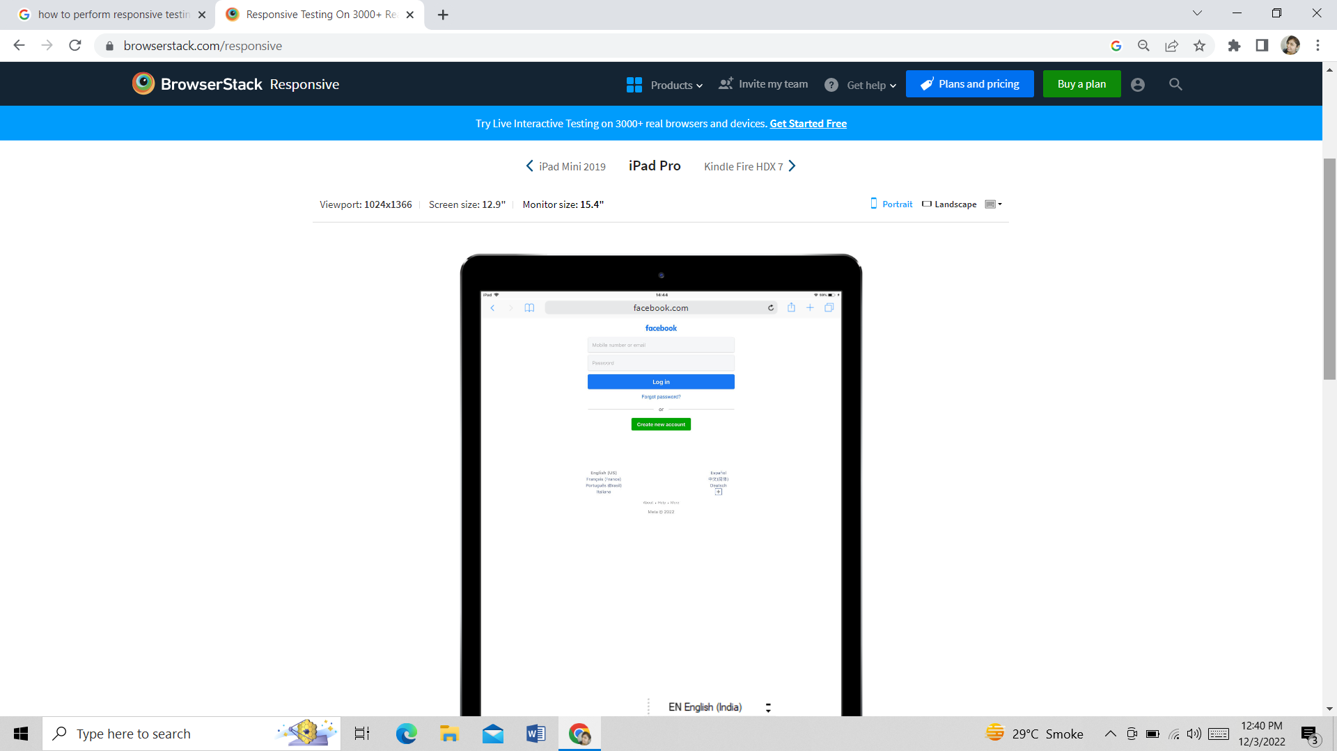

 |  |  | It looks proper on Ipad Pro

 | Kindle Fire HDX 7

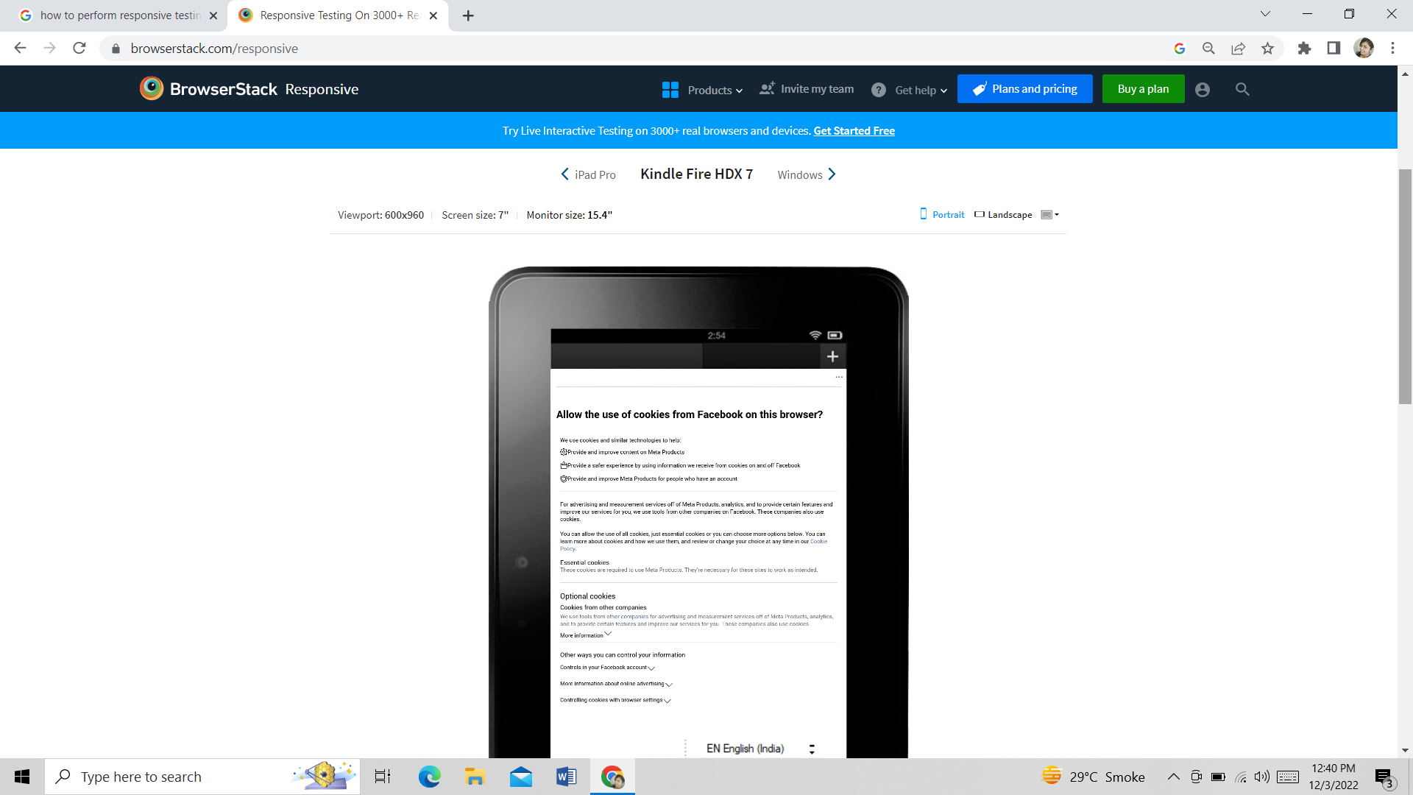

 |  |  | It shows some error in kindle fire HDX 7

 | Windows

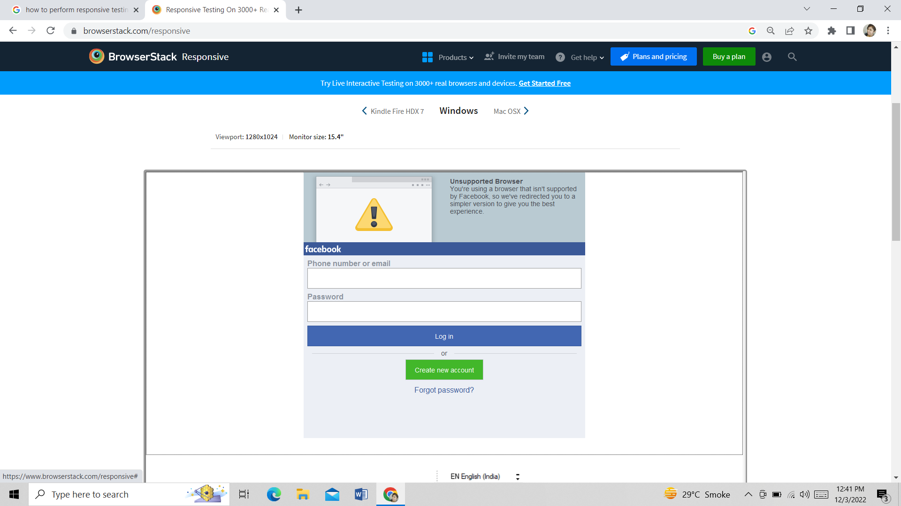

 |  |  | It shows error on windows

 | Mac OSX

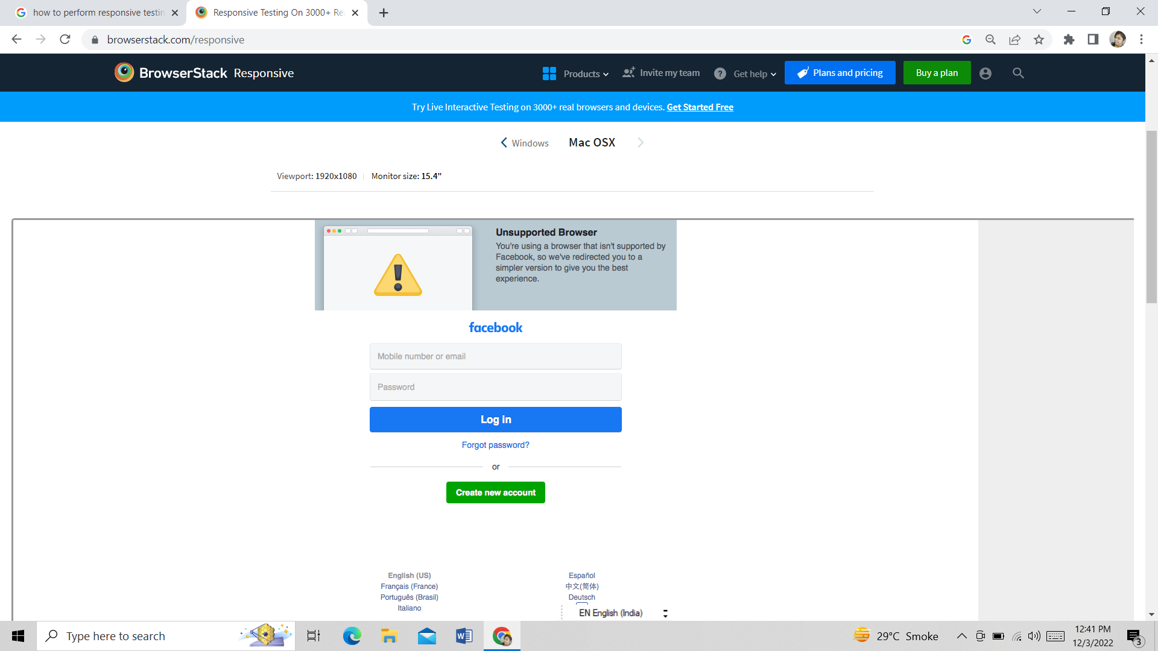

 |  |  | It shows error in Mac OSX

